VEJA SHOES SS26 AVAILAB
VEJA SHOES SS26 AVAILABILITY |  |  |  |  |  |  | SCX | 35 | 36 | 37 | 38 | 39 | 40 | 41 | 42 | 43 | 44 | 45 | 46
PICTURE | MODEL VARIANT AND COLOR | MODEL | COLOR | CATEGORY | GENDER | RETAIL |  |  |  |  |  |  |  |  |  |  |  |  |  | Q.TY
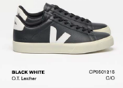 | CP0501215BLACKWHITE | CP0501215 | BLACKWHITE | Sneakers | Unisex | 140.00 € | SCX |  | 2 | 4 | 6 | 6 | 4 | 3 | 2 | 2 | 2 | 1 |  | 32
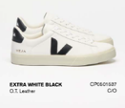 | CP0501537EXTRAWHITEBLACK | CP0501537 | EXTRAWHITEBLACK | Sneakers | Unisex | 140.00 € | SCX |  | 2 | 4 | 6 | 6 | 4 | 3 | 2 | 2 | 2 | 1 |  | 32
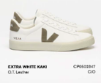 | CP0502347EXTRAWHITEKAKI | CP0502347 | EXTRAWHITEKAKI | Sneakers | Uomo | 140.00 € | USM | 1 |  | 2 |  | 2 |  | 2 |  | 1 |  |  |  | 8
 | CP0502429EXTRAWHITENATURALSUEDE | CP0502429 | EXTRAWHITENATURALSUEDE | Sneakers | Unisex | 140.00 € | SCX |  | 2 | 4 | 6 | 6 | 4 | 2 |  |  |  |  |  | 24
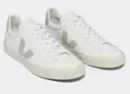 | CP0502485EXTRAWHITEMATCHA | CP0502485 | EXTRAWHITEMATCHA | Sneakers | Donna | 140.00 € | USM | 1 |  | 2 |  | 2 |  | 2 |  | 1 |  |  |  | 8
 | CP0502920EXTRAWHITEALMOND | CP0502920 | EXTRAWHITEALMOND | Sneakers | Donna | 140.00 € | USM | 1 |  | 2 |  | 3 |  | 3 |  | 2 |  | 1 |  | 12
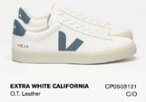 | CP0503121EXTRAWHITECALIFORNIA | CP0503121 | EXTRAWHITECALIFORNIA | Sneakers | Unisex | 140.00 € | SCX |  | 2 | 4 | 5 | 5 | 3 | 1 |  |  |  |  |  | 20
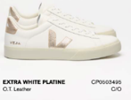 | CP0503495EXTRAWHITEPLATINE | CP0503495 | EXTRAWHITEPLATINE | Sneakers | Donna | 140.00 € | SCX |  | 1 | 2 | 3 | 3 | 2 | 1 |  |  |  |  |  | 12
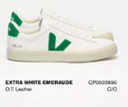 | CP0503690EXTRAWHITEEMERAUDE | CP0503690 | EXTRAWHITEEMERAUDE | Sneakers | Unisex | 140.00 € | SCX |  | 1 | 2 | 2 | 2 | 1 |  |  |  |  |  |  | 8
 | CP0503886EXTRAWHITEBABE | CP0503886 | EXTRAWHITEBABE | Sneakers | Donna | 140.00 € | USM | 1 |  | 2 |  | 2 |  | 2 |  | 1 |  |  |  | 8
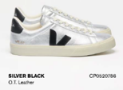 | CP0520786SILVERBLACK | CP0520786 | SILVERBLACK | Sneakers | Unisex | 140.00 € | SCX |  | 1 | 2 | 2 | 2 | 1 |  |  |  |  |  |  | 8
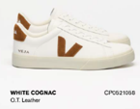 | CP0521058WHITECOGNAC | CP0521058 | WHITECOGNAC | Sneakers | Unisex | 140.00 € | SCX |  | 2 | 4 | 4 | 4 | 2 |  |  |  |  |  |  | 16
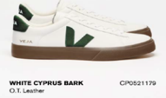 | CP0521179WHITECYPRUSBARK | CP0521179 | WHITECYPRUSBARK | Sneakers | Unisex | 140.00 € | SCX |  | 1 | 2 | 2 | 2 | 1 |  |  |  |  |  |  | 8
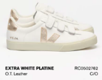 | RC0502762EXTRAWHITEPLATINE | RC0502762 | EXTRAWHITEPLATINE | Sneakers | Donna | 150.00 € | SCX |  | 1 | 2 | 3 | 3 | 2 | 1 |  |  |  |  |  | 12
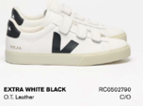 | RC0502790EXTRAWHITEBLACK | RC0502790 | EXTRAWHITEBLACK | Sneakers | Unisex | 150.00 € | SCX |  | 2 | 4 | 6 | 6 | 4 | 2 |  |  |  |  |  | 24
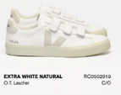 | RC0502919EXTRAWHITENATURAL | RC0502919 | EXTRAWHITENATURAL | Sneakers | Donna | 150.00 € | SCX |  | 2 | 4 | 6 | 6 | 4 | 2 |  |  |  |  |  | 24
 | RC0521455WHITEGUIMAUVE | RC0521455 | WHITEGUIMAUVE | Sneakers | Donna | 150.00 € | USM | 1 |  | 2 |  | 2 |  | 2 |  | 1 |  |  |  | 8
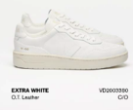 | VD2003380EXTRAWHITE | VD2003380 | EXTRAWHITE | Sneakers | Donna | 165.00 € | USM | 1 |  | 2 |  | 2 |  | 2 |  | 1 |  |  |  | 8
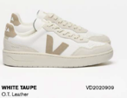 | VD2020909WHITETAUPE | VD2020909 | WHITETAUPE | Sneakers | Donna | 165.00 € | USM | 1 |  | 2 |  | 2 |  | 2 |  | 1 |  |  |  | 8
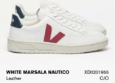 | XD0201955EXTRAWHITEMARSALANAUTICO | XD0201955 | EXTRAWHITEMARSALANAUTICO | Sneakers | Unisex | 150.00 € | SCX |  | 1 | 2 | 2 | 2 | 1 |  |  |  |  |  |  | 8
 |  |  |  |  |  |  |  |  |  |  |  |  |  |  |  |  |  |  |  | 288

